Overview
AP322
System/Application Administration Configuration

?

 | Step | Description | Required / Optional | Owner | Complete Date | Managed by | Approval | Comments
 | 1 | Three (3) Request Sets is to be updated in this document requiring change in Scheduling 1. XXNBTY Daily Planning Request Set - MRP 2 XXNBTY Weekly Planning Request Set - MRP 3. XXNBTY Monthly Planning Request Set - MRP | Required | VCI |  | NBTY IT

1. Delete Request set in Group
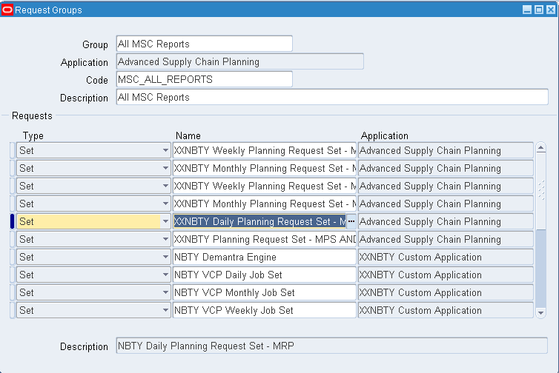
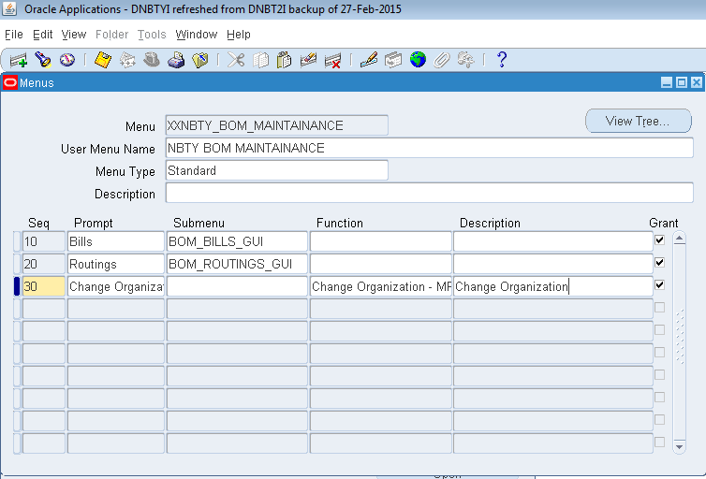
Delete the Request sets from the All MSC Reports for these request set.

A. Removing Request Set in All MSC Request Group.
Step # | Task | Screenshot
1 | Login to Oracle VCP application. | -
2 | Navigate to System Administrator > Security > Responsibility > Request>. | See screenshot 1.0 | Screenshot 1.0 - Request Group form opens
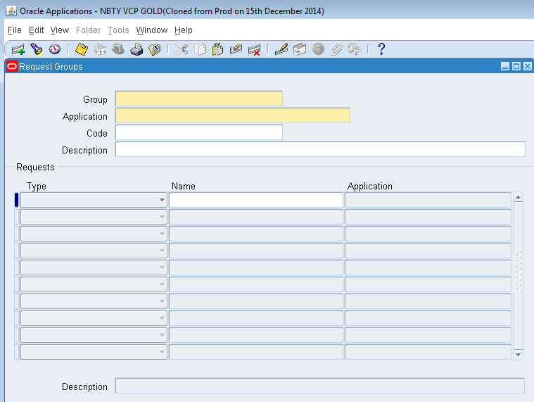
3 | Press F11 (query mode). Enter "All MSC Reports" in the Group name. | See screenshot 2.0
4 | Press CTRL+F11 to execute query. | See screenshot 3.0
5 | Click the Name in the Request block form | See screenshot 4.0
6 | Press F11 (query mode) to be in query mode. | See screenshot 5.0
7 | Modify the Type dropdown list to Set | See screenshot 6.0
8 | Press CTRL+F11 to execute query. | See screenshot 7.0
9 | In the retrieved Request Sets, find the 3 request set and delete them from the list by deleting the Delete icon. 1. XXNBTY Daily Planning Request Set - MRP 2. XXNBTY Weekly Planning Request Set - MRP 3. XXNBTY Monthly Planning Request Set - MRP | See screenshot 8.0
10 | Click Save icon to save the transaction. | -

 |  |  | Screenshot 2.0 - "All MSC Reports" is entered in Group name.
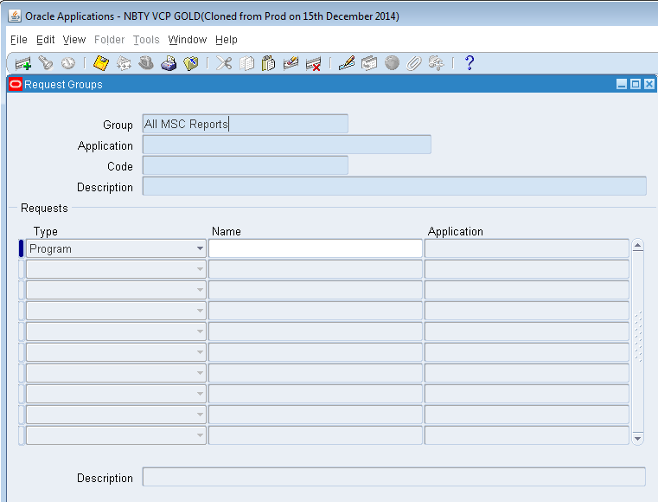

 |  |  | Screenshot 3.0 - "All MSC Reports" Group name is queried showing the details.
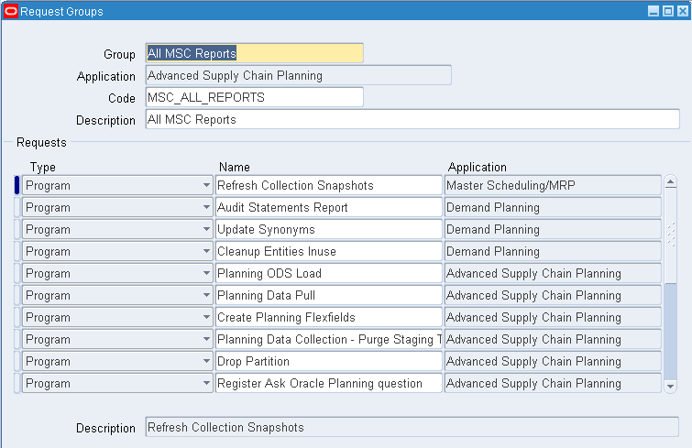

 |  |  | Screenshot 4.0 - Name field is clicked showing from the below snapshot.
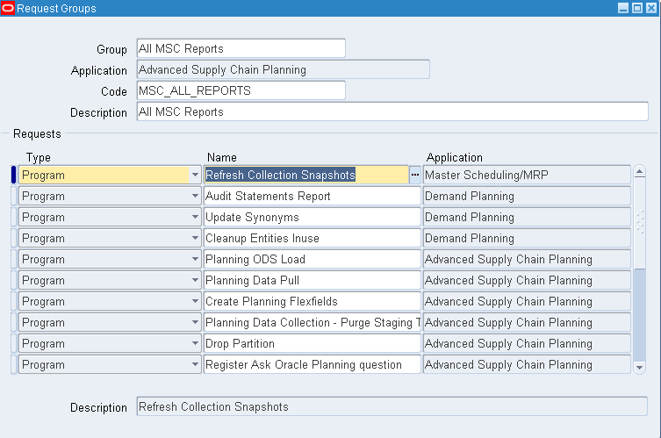

 |  |  | Screenshot 5.0 - "Type and Name" is now in query mode.
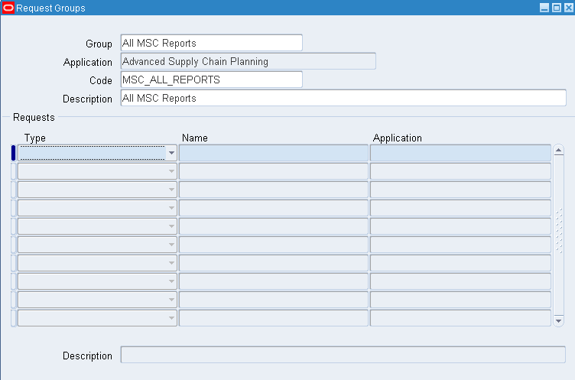

 |  |  | Screenshot 6.0 - "Type" column is set to Set.
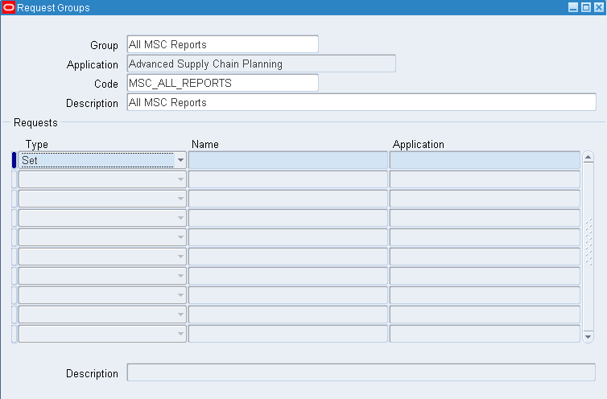

 |  |  | Screensot 7.0 - Request Sets are retrieved in the All MSC Reports Group.
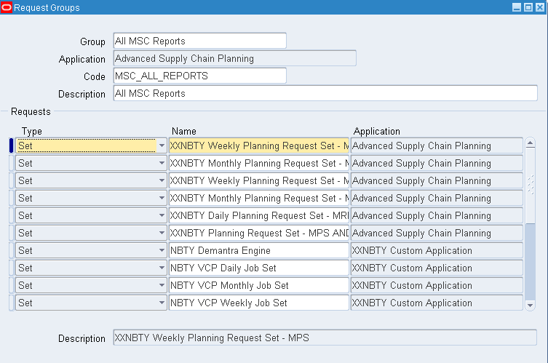

 |  |  | Screensot 8.0 - Delete the 3 Request Sets stated in the step above.

2. Delete the Request set
Delete the Request sets from the Request Set window

A. Deleting Request Set from the Request Set window
Step # | Task | Screenshot
1 | Login to Oracle VCP application. | -
2 | Navigate to System Administrator > Concurrent > Set. | See screenshot 1.0 | Screenshot 1.0 - Request Set form opens
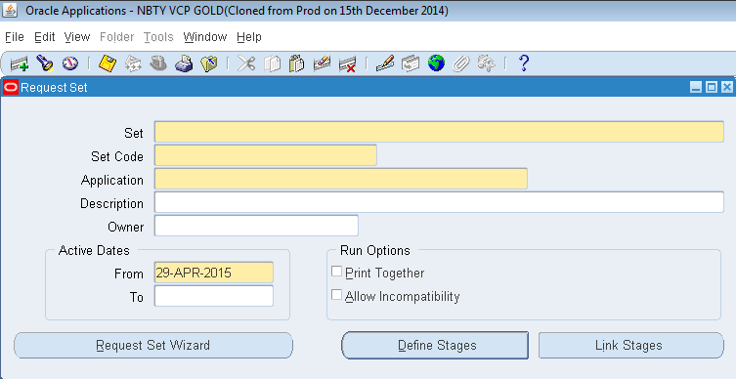
3 | Press F11 (query mode). Enter the "XXNBTY Daily Planning Request Set - MRP" in the Set name. | See screenshot 2.0
4 | Press CTRL+F11 to execute query. | See screenshot 3.0
5 | Click the Delete Icon to delete Request Set. | See screenshot 4.0
6 | Click the Save to save transaction | -
7 | Repeat Steps 3 to 6 steps with the other 2 Request Sets. XXNBTY Weekly Planning Request Set - MRP XXNBTY Monthly Planning Request Set - MRP | -

 |  |  | Screenshot 2.0 - "XXNBTY Daily Planning Request Set - MRP" is entered in Set name.
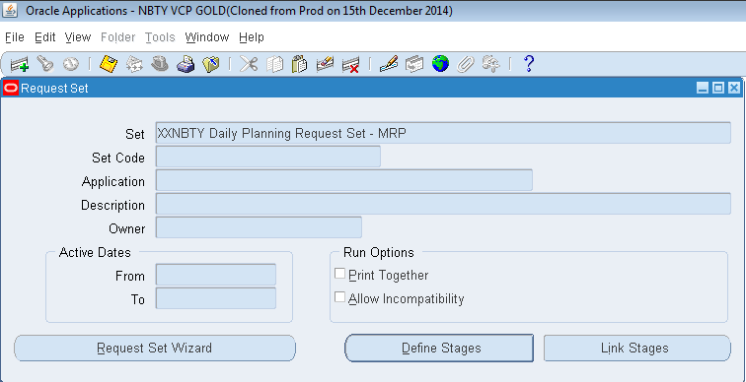

 |  |  | Screenshot 3.0 - "XXNBTY Daily Planning Request Set - MRP" Set name is queried showing the details.
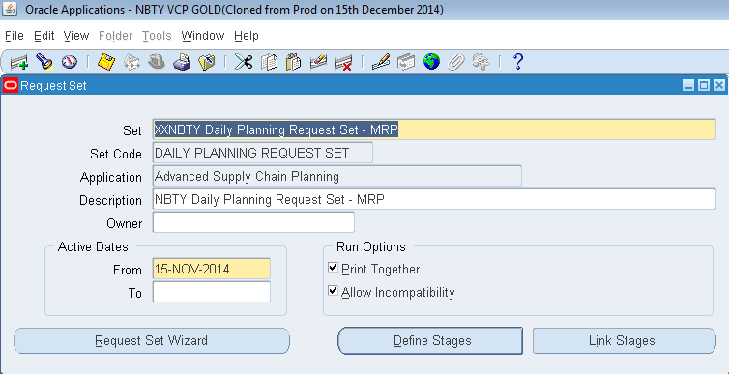

 |  |  | Screenshot 4.0 - Name field is clicked showing from the below snapshot.

4. Allow Incompatibility
Check the allow incompatibility check box

A. Checking the Allow Incompatibility checkbox of XXNBTY Daily Planning Request Set - MRP
Step # | Task | Screenshot
1 | Login to Oracle VCP application. | -
2 | Navigate to System Administrator > Concurrent > Set. | See screenshot 1.0 | Screenshot 1.0 - Request Set form opens
3 | Press F11 (query mode). Enter the "XXNBTY Daily Planning Request Set - MRP" in the Set name. | See screenshot 2.0
4 | Press CTRL+F11 to execute query. | See screenshot 3.0
5 | Check the Allow Incompatibility checkbox. | See screenshot 4.0
6 | Click the Save to save transaction | -

 |  |  | Screenshot 2.0 - "XXNBTY Daily Planning Request Set - MRP" is entered in Set name.

 |  |  | Screenshot 3.0 - "XXNBTY Daily Planning Request Set - MRP" Set name is queried showing the details.

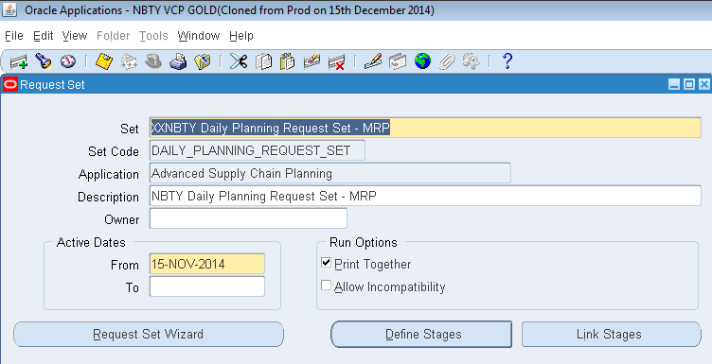

 |  |  | Screenshot 4.0 - Allow incompatibility is clicked showing from the below snapshot.

5. Add the Request Sets
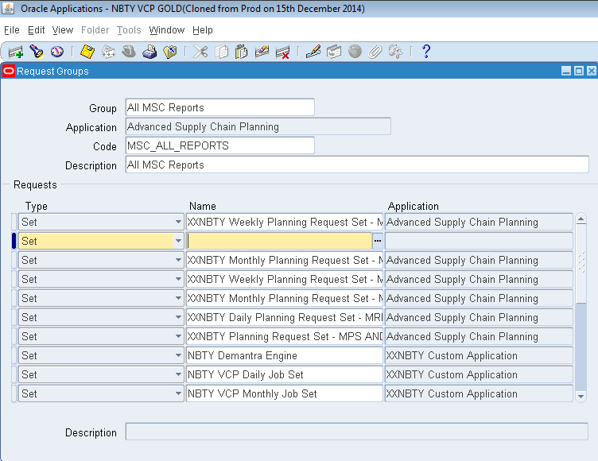
Add the request set in All MSC Reports

A. Adding the 3 Request Sets in All MSC Reports Request Group
Step # | Task | Screenshot
1 | Login to Oracle VCP application. | -
2 | Navigate to System Administrator > Security > Responsibility > Request>. | See screenshot 1.0 | Screenshot 1.0 - Request Group form opens
3 | Press F11 (query mode). Enter "All MSC Reports" in the Group name. | See screenshot 2.0
4 | Press CTRL+F11 to execute query. | See screenshot 3.0
5 | Click the Name in the Request block form | See screenshot 4.0
6 | Press F11 (query mode) to be in query mode. | See screenshot 5.0
7 | Modify the Type dropdown list to Set | See screenshot 6.0
8 | Press CTRL+F11 to execute query. | See screenshot 7.0
9 | Click the Add icon. Maket sure that Type is set to Set. In the Name filed, find in the LOV, "XXNBTY Daily Planning Request Set - MRP". | See screenshot 8.0
10 | Click Save icon to save the transaction. | -
11 | Repeat steps 9 and 10 to add the other 2 request set named below: 1. XXNBTY Weekly Planning Request Set - MRP 2. XXNBTY Monthly Planning Request Set - MRP | -

 |  |  | Screenshot 2.0 - "All MSC Reports" is entered in Group name.

 |  |  | Screenshot 3.0 - "All MSC Reports" Group name is queried showing the details.

 |  |  | Screenshot 4.0 - Name field is clicked showing from the below snapshot.

 |  |  | Screenshot 5.0 - "Type and Name" is now in query mode.

 |  |  | Screenshot 6.0 - "Type" column is set to Set.

 |  |  | Screensot 7.0 - Request Sets are retrieved in the All MSC Reports Group.

 |  |  | Screensot 8.0 - Add the 3 Request Sets stated in the step above.

6. Set Incompatibility
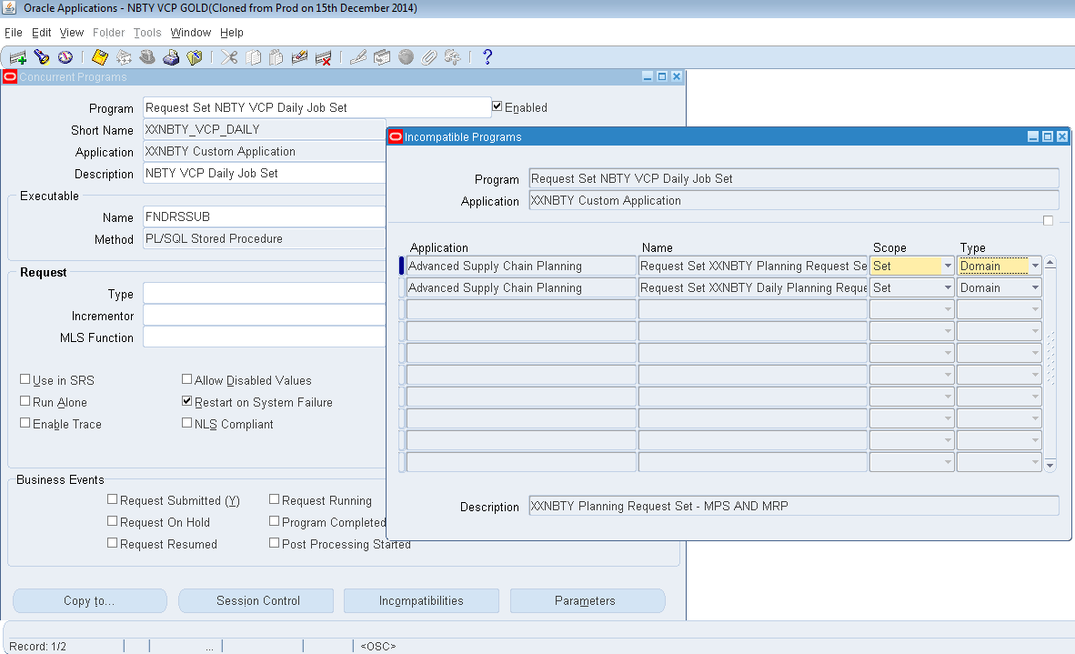
Navigation | System Administrator > Concurrent > Program > Define Press the Incompatibilties Button
Program | Request Set NBTY VCP Daily Job Set
Short Name | FNDRSSUB

Incompatibilities
Application | Name | Scope | Type
Advanced Supply Chain Planning | Request Set XXNBTY Planning Request Set - MPS AND MRP | Set | Domain
Advanced Supply Chain Planning | Request Set XXNBTY Daily Planning Request Set - MRP | Set | Domain

